Map_Product_Quantity
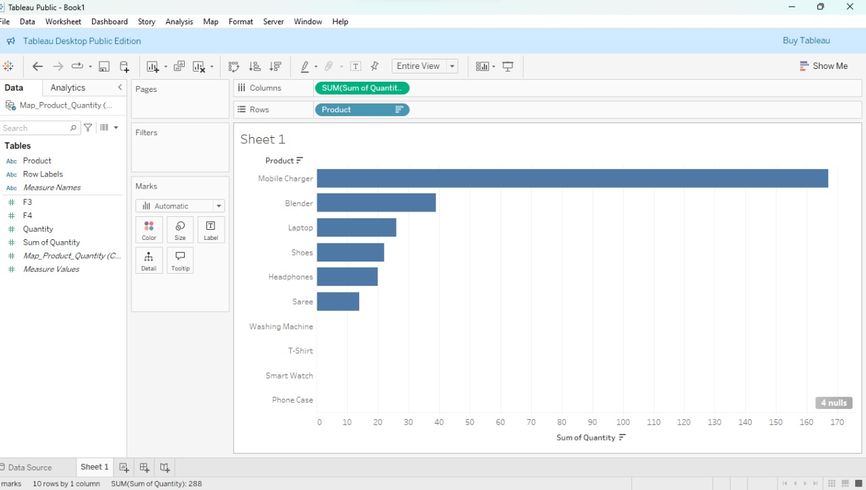
Product | Quantity | Row Labels | Sum of Quantity
Blender | 5 | Blender | 26
Laptop | 5 | Headphones | 26
Headphones | 5 | Laptop | 9
Shoes | 5 | Mobile Charger | 22
Blender | 5 | Phone Case | 6
Saree | 5 | Saree | 14
Headphones | 5 | Shoes | 11
Mobile Charger | 4 | Smart Watch | 14
Blender | 4 | T-Shirt | 7
Mobile Charger | 4 | Washing Machine | 9
Mobile Charger | 4 | Grand Total | 144
T-Shirt | 4
Mobile Charger | 4
Blender | 4
Smart Watch | 4
Mobile Charger | 4
Headphones | 4
Saree | 3
Washing Machine | 3
Headphones | 3
T-Shirt | 3
Phone Case | 3
Headphones | 3
Saree | 3
Blender | 3
Shoes | 3
Saree | 3
Smart Watch | 2
Headphones | 2
Shoes | 2
Laptop | 2
Laptop | 2
Mobile Charger | 2
Phone Case | 2
Smart Watch | 2
Smart Watch | 2
Smart Watch | 2
Smart Watch | 2
Washing Machine | 2
Washing Machine | 2
Headphones | 2
Headphones | 2
Blender | 2
Blender | 1
Blender | 1
Blender | 1
Phone Case | 1
Washing Machine | 1
Shoes | 1
Washing Machine | 1

Map_Customer ID_Frequency
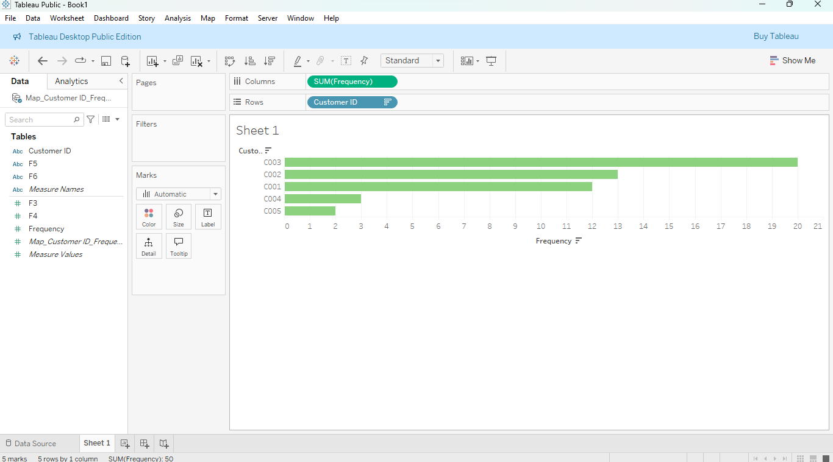
Customer ID | Frequency | Row Labels | Sum of Frequency
C001 | 1 | C001 | 12
C003 | 1 | C002 | 13
C003 | 1 | C003 | 20
C004 | 1 | C004 | 3
C005 | 1 | C005 | 2
C001 | 1 | Grand Total | 50
C003 | 1
C004 | 1
C001 | 1
C002 | 1
C005 | 1
C003 | 1
C003 | 1
C003 | 1
C003 | 1
C001 | 1
C003 | 1
C002 | 1
C003 | 1
C001 | 1
C002 | 1
C002 | 1
C003 | 1
C001 | 1
C001 | 1
C001 | 1
C002 | 1
C002 | 1
C002 | 1
C003 | 1
C001 | 1
C004 | 1
C003 | 1
C002 | 1
C002 | 1
C001 | 1
C003 | 1
C003 | 1
C003 | 1
C003 | 1
C003 | 1
C003 | 1
C002 | 1
C002 | 1
C002 | 1
C002 | 1
C001 | 1
C003 | 1
C001 | 1
C003 | 1

Map_Category_Revenue
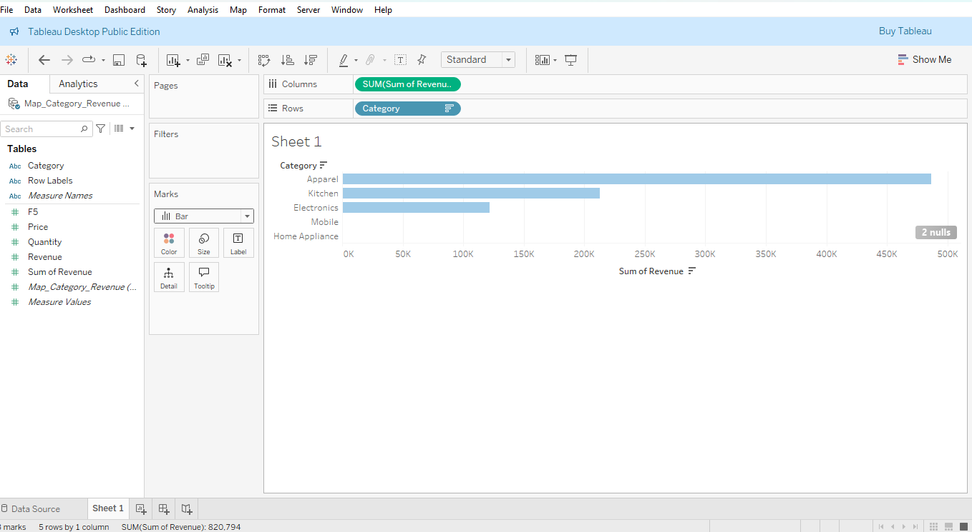
Category | Price | Quantity | Revenue | Row Labels | Sum of Revenue
Kitchen | 4661 | 5 | 23305 | Apparel | 124566
Electronics | 2905 | 5 | 14525 | Electronics | 101605
Electronics | 933 | 5 | 4665 | Home Appliance | 19892
Apparel | 4872 | 5 | 24360 | Kitchen | 76060
Kitchen | 3110 | 5 | 15550 | Mobile | 88274
Apparel | 4506 | 5 | 22530 | Grand Total | 410397
Electronics | 2233 | 5 | 11165
Mobile | 3964 | 4 | 15856
Kitchen | 869 | 4 | 3476
Mobile | 2309 | 4 | 9236
Mobile | 3810 | 4 | 15240
Apparel | 4207 | 4 | 16828
Mobile | 1949 | 4 | 7796
Kitchen | 2807 | 4 | 11228
Electronics | 2794 | 4 | 11176
Mobile | 4821 | 4 | 19284
Electronics | 850 | 4 | 3400
Apparel | 167 | 3 | 501
Home Appliance | 417 | 3 | 1251
Electronics | 1026 | 3 | 3078
Apparel | 4594 | 3 | 13782
Mobile | 3601 | 3 | 10803
Electronics | 2710 | 3 | 8130
Apparel | 3827 | 3 | 11481
Kitchen | 3269 | 3 | 9807
Apparel | 4952 | 3 | 14856
Apparel | 2441 | 3 | 7323
Electronics | 1908 | 2 | 3816
Electronics | 3213 | 2 | 6426
Apparel | 4910 | 2 | 9820
Electronics | 1493 | 2 | 2986
Electronics | 520 | 2 | 1040
Mobile | 2077 | 2 | 4154
Mobile | 2072 | 2 | 4144
Electronics | 3980 | 2 | 7960
Electronics | 677 | 2 | 1354
Electronics | 2549 | 2 | 5098
Electronics | 1970 | 2 | 3940
Home Appliance | 2776 | 2 | 5552
Home Appliance | 4299 | 2 | 8598
Electronics | 2505 | 2 | 5010
Electronics | 3918 | 2 | 7836
Kitchen | 3041 | 2 | 6082
Kitchen | 819 | 1 | 819
Kitchen | 3416 | 1 | 3416
Kitchen | 2377 | 1 | 2377
Mobile | 1761 | 1 | 1761
Home Appliance | 2781 | 1 | 2781
Apparel | 3085 | 1 | 3085
Home Appliance | 1710 | 1 | 1710

